Pivot Table
Row Labels | Sum of Total Price | Row Labels | Sum of Quantity
Laptop | ₹17.30M | Laptop | 349 |  | Row Labels | Count of Product
Monitor | ₹1.95M | Monitor | 335 |  | Delivered | 395
Phone | ₹9.81M | Phone | 310 |  | Pending | 399
Printer | ₹2.61M | Printer | 343 |  | Shipped | 406
Refrigerator | ₹1.74M | Refrigerator | 323 |  | Grand Total | 1200
Tablet | ₹3.76M | Tablet | 364
TV | ₹10.59M | TV | 345
Grand Total | ₹47.76M | Grand Total | 2369

 |  | Row Labels | Sum of Total Price | Row Labels | Average of Discount Amount
Row Labels | Sum of Total Price | 2023 | ₹20.17M | Cash | ₹10.78K
Email | ₹10.42M | 2024 | ₹17.93M | Credit Card | ₹9.61K
Facebook | ₹8.58M | 2025 | ₹9.66M | Debit Card | ₹9.60K
Google | ₹9.98M | Grand Total | ₹47.76M | Gift Card | ₹10.56K
Instagram | ₹9.97M |  |  | Online | ₹10.13K
Referral | ₹8.81M |  |  | Grand Total | ₹10.14K
Grand Total | ₹47.76M

 |  |  |  |  |  | Sum of Total Price | Sum of Quantity | Average of Discount | Count of Product | Sum of Net Price
 |  |  |  |  |  | 47759684 | 2369 | 0.2484 | 1200 | 35588921.34

=
Row Labels | Sum of Total Price |  |  |  |  | ₹47.76M | 2369 | 24.84% | 1200 | ₹35.59M
Cash | ₹10.35M
Credit Card | ₹8.76M
Debit Card | ₹9.10M
Gift Card | ₹9.33M
Online | ₹10.22M
PAYMENT MODE
SALES ANALYSIS
Grand Total | ₹47.76M

DASHBOARD
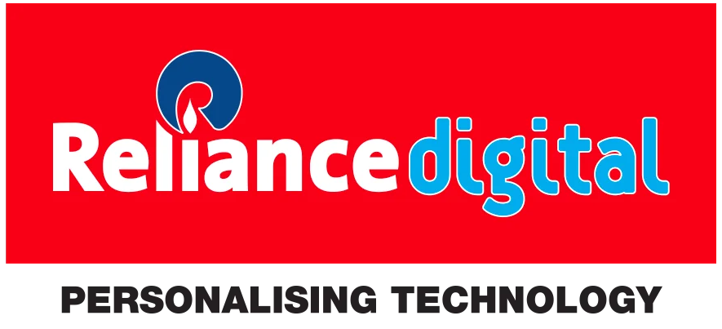
RELIANCE DIGITAL SALES DASHBOARD

TOTAL SALES
₹47.76M
QUANTITY SOLD
2369
AVG. DISCOUNT
24.84%
PRODUCT COUNT
TOTAL REVENUE
₹35.59M

1200

PRODUCTWISE TOTAL SALES
 | Total
Laptop | ₹17.30M
Monitor | ₹1.95M
Phone | ₹9.81M
Printer | ₹2.61M
Refrigerator | ₹1.74M
Tablet | ₹3.76M
TV | ₹10.59M
Total Quantity Sold
 | Total
Laptop | 349
Monitor | 335
Phone | 310
Printer | 343
Refrigerator | 323
Tablet | 364
TV | 345
Yearwise total sales
 | Total
2023 | ₹20.17M
2024 | ₹17.93M
2025 | ₹9.66M
RELIANCE DIGITAL SALES DASHBOARD

Referalwise Total Sales
 | Total
Email | ₹10.42M
Facebook | ₹8.58M
Google | ₹9.98M
Instagram | ₹9.97M
Referral | ₹8.81M
 | Total
Cash | ₹10.35M
Credit Card | ₹8.76M
Debit Card | ₹9.10M
Gift Card | ₹9.33M
Online | ₹10.22M
PAYMENT MODE
SALES ANALYSIS
PAYMENT MODEWISE AVG. DISCOUNT
 | Total
Cash | ₹10.78K
Credit Card | ₹9.61K
Debit Card | ₹9.60K
Gift Card | ₹10.56K
Online | ₹10.13K

